RGR
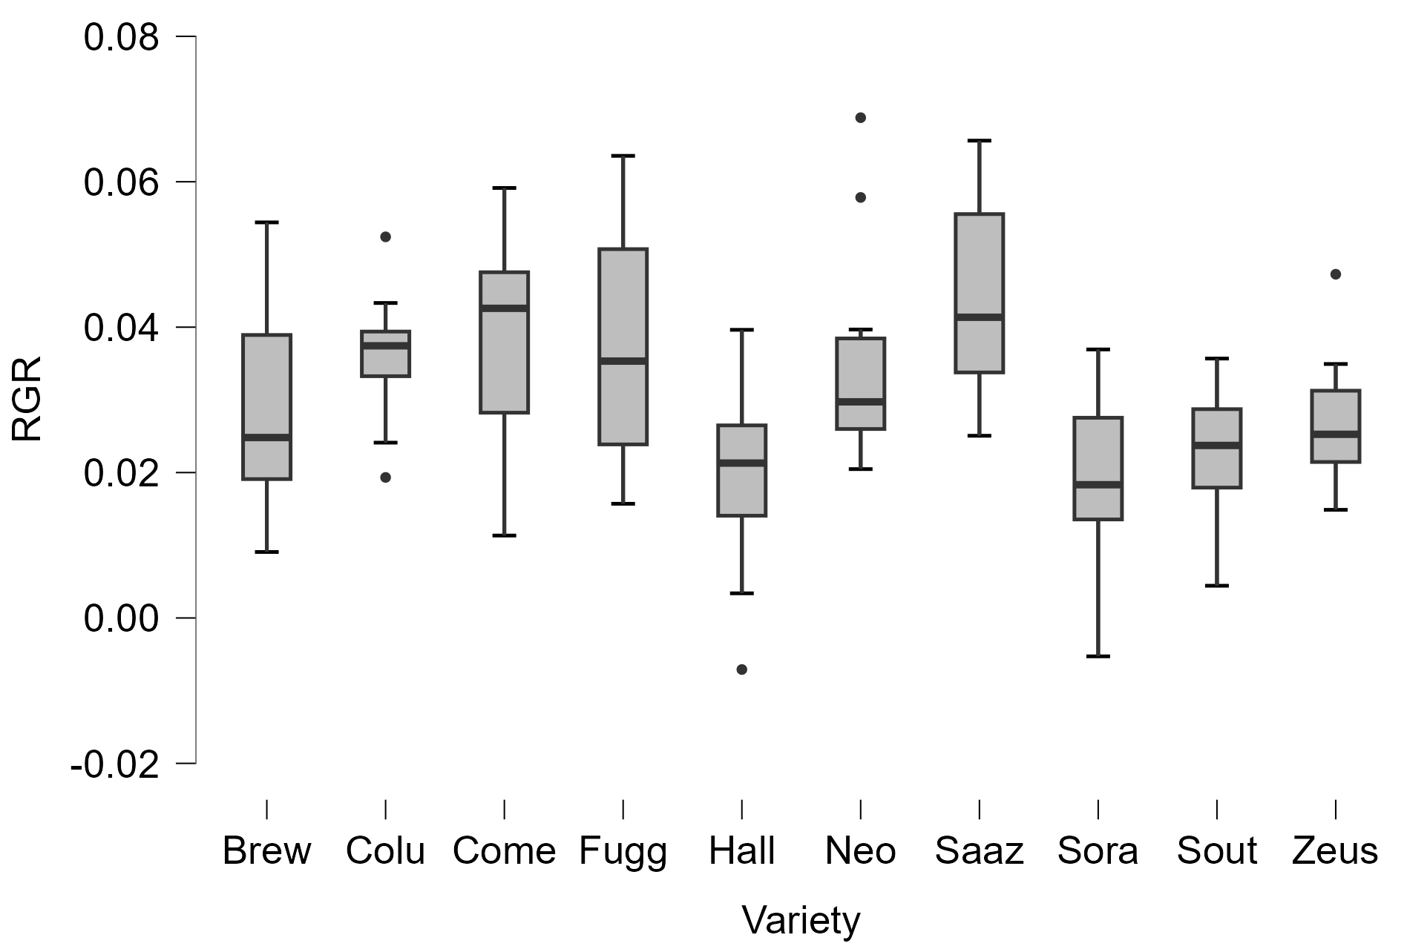
 |  | (day-1)
Variety | Rep | RGR | ANOVA - RGR
Brew | 1 | 0.054411386 | Cases | SS | df | MS | F | p
Brew | 2 | 0.025641122 | Variety | 0.007 | 9 | 8.090×10-4 | 4.501 | < .001
Brew | 3 | 0.017491241 | Residuals | 0.016 | 89 | 1.797×10-4
Brew | 4 | 0.016537827
Brew | 5 | 0.023933713 | Note. Type III Sum of Squares
Brew | 6 | 0.00907523
Brew | 7 | 0.026424475
Brew | 8 | 0.04308939 | Test for Equality of Variances (Levene's)
Brew | 9 | 0.047896318 | F | df1 | df2 | p
Brew | 10 | 0.023994327 | 0.861 | 9 | 89 | 0.563
Colu | 1 | 0.038654899
Colu | 2 | 0.043324865
Colu | 3 | 0.039640708
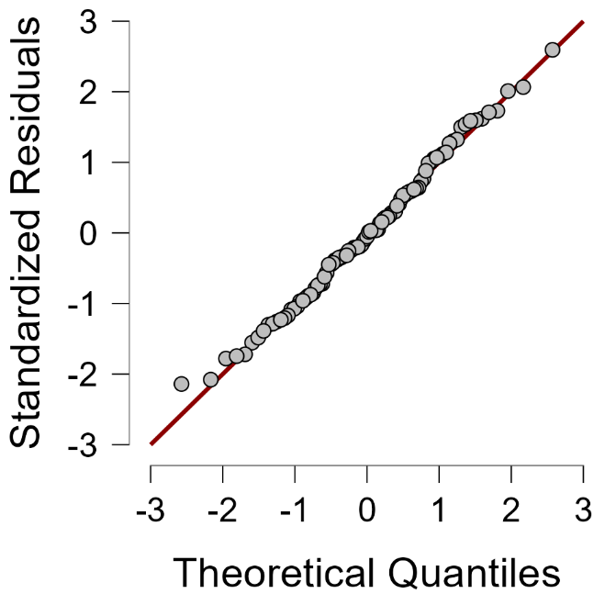
Colu | 4 | 0.052421999
Colu | 5 | 0.036497384
Colu | 6 | 0.033277889
Colu | 7 | 0.024116107
Colu | 8 | 0.033247282
Colu | 9 | 0.019331819
Colu | 10 | 0.038375005
Come | 1 | 0.03700223
Come | 2 | 0.048318262
Come | 3 | 0.04612999
Come | 4 | 0.011336899
Come | 5 | 0.024747265
Come | 6 | 0.039047907
Come | 7 | 0.059146378
Come | 8 | 0.047826985
Come | 9 | 0.046727228
Come | 10 | 0.025314426 | Post Hoc Comparisons - Variety
Fugg | 1 |  | Variety |  | Mean Difference | SE | t | ptukey
Fugg | 2 | 0.015707068 | Brew | Colu | -0.007 | 0.006 | -1.174 | 0.974
Fugg | 3 | 0.054168883 |  | Come | -0.01 | 0.006 | -1.62 | 0.835
Fugg | 4 | 0.050731393 |  | Fugg | -0.009 | 0.006 | -1.395 | 0.926
Fugg | 5 | 0.042637285 |  | Hall | 0.01 | 0.006 | 1.585 | 0.852
Fugg | 6 | 0.028335003 |  | Neo | -0.007 | 0.006 | -1.163 | 0.976
Fugg | 7 | 0.035330738 |  | Saaz | -0.015 | 0.006 | -2.515 | 0.275
Fugg | 8 | 0.063563566 |  | Sora | 0.011 | 0.006 | 1.916 | 0.658
Fugg | 9 | 0.023872017 |  | Sout | 0.007 | 0.006 | 1.127 | 0.981
Fugg | 10 | 0.022654362 |  | Zeus | 0.002 | 0.006 | 0.293 | 1
Hall | 1 | 0.039633135 | Colu | Come | -0.003 | 0.006 | -0.445 | 1
Hall | 2 | 0.015277189 |  | Fugg | -0.002 | 0.006 | -0.253 | 1
Hall | 3 | 0.003389619 |  | Hall | 0.017 | 0.006 | 2.759 | 0.167
Hall | 4 | 0.033171135 |  | Neo | 6.469×10-5 | 0.006 | 0.011 | 1
Hall | 5 | 0.013662423 |  | Saaz | -0.008 | 0.006 | -1.341 | 0.941
Hall | 6 | 0.026235339 |  | Sora | 0.019 | 0.006 | 3.09 | 0.076
Hall | 7 | -0.007089174 |  | Sout | 0.014 | 0.006 | 2.301 | 0.399
Hall | 8 | 0.022886422 |  | Zeus | 0.009 | 0.006 | 1.467 | 0.901
Hall | 9 | 0.01972418 | Come | Fugg | 0.001 | 0.006 | 0.181 | 1
Hall | 10 | 0.026575769 |  | Hall | 0.019 | 0.006 | 3.205 | 0.056
Neo | 1 | 0.02659747 |  | Neo | 0.003 | 0.006 | 0.456 | 1
Neo | 2 | 0.02497723 |  | Saaz | -0.005 | 0.006 | -0.896 | 0.996
Neo | 3 | 0.057841856 |  | Sora | 0.021 | 0.006 | 3.536 | 0.022
Neo | 4 | 0.025864445 |  | Sout | 0.016 | 0.006 | 2.747 | 0.172
Neo | 5 | 0.068813443 |  | Zeus | 0.011 | 0.006 | 1.912 | 0.661
Neo | 6 | 0.034757326 | Fugg | Hall | 0.018 | 0.006 | 2.938 | 0.111
Neo | 7 | 0.026375579 |  | Neo | 0.002 | 0.006 | 0.263 | 1
Neo | 8 | 0.020476988 |  | Saaz | -0.006 | 0.006 | -1.053 | 0.988
Neo | 9 | 0.039675422 |  | Sora | 0.02 | 0.006 | 3.261 | 0.048
Neo | 10 | 0.032861328 |  | Sout | 0.015 | 0.006 | 2.492 | 0.287
Saaz | 1 | 0.036730118 |  | Zeus | 0.01 | 0.006 | 1.68 | 0.803
Saaz | 2 | 0.032783913 | Hall | Neo | -0.016 | 0.006 | -2.748 | 0.171
Saaz | 3 | 0.051928512 |  | Saaz | -0.025 | 0.006 | -4.1 | 0.003
Saaz | 4 | 0.043260291 |  | Sora | 0.002 | 0.006 | 0.331 | 1
Saaz | 5 | 0.065654279 |  | Sout | -0.003 | 0.006 | -0.458 | 1
Saaz | 6 | 0.056760403 |  | Zeus | -0.008 | 0.006 | -1.292 | 0.953
Saaz | 7 | 0.060060428 | Neo | Saaz | -0.008 | 0.006 | -1.352 | 0.938
Saaz | 8 | 0.027589718 |  | Sora | 0.018 | 0.006 | 3.08 | 0.078
Saaz | 9 | 0.025062747 |  | Sout | 0.014 | 0.006 | 2.29 | 0.406
Saaz | 10 | 0.039462898 |  | Zeus | 0.009 | 0.006 | 1.456 | 0.905
Sora | 1 | 0.013130687 | Saaz | Sora | 0.027 | 0.006 | 4.431 | 0.001
Sora | 2 | 0.020398421 |  | Sout | 0.022 | 0.006 | 3.642 | 0.016
Sora | 3 | 0.031863502 |  | Zeus | 0.017 | 0.006 | 2.808 | 0.15
Sora | 4 | 0.014811838 | Sora | Sout | -0.005 | 0.006 | -0.789 | 0.999
Sora | 5 | -0.005278876 |  | Zeus | -0.01 | 0.006 | -1.623 | 0.833
Sora | 6 | 0.019102299 | Sout | Zeus | -0.005 | 0.006 | -0.834 | 0.998
Sora | 7 | 0.017549441
Sora | 8 | 0.036934282 | Note. P-value adjusted for comparing a family of 10
Sora | 9 | -0.004837365
Sora | 10 | 0.029921377
Sout | 1 | 0.035682971
Sout | 2 | 0.022585338
Sout | 3 | 0.033285374
Sout | 4 | 0.024872991
Sout | 5 | 0.028285182
Sout | 6 | 0.006441162
Sout | 7 | 0.017625157
Sout | 8 | 0.028866741
Sout | 9 | 0.004431914
Sout | 10 | 0.018846607
Zeus | 1 | 0.031989234
Zeus | 2 | 0.029069813
Zeus | 3 | 0.023055055
Zeus | 4 | 0.047277319
Zeus | 5 | 0.019196148
Zeus | 6 | 0.021688902
Zeus | 7 | 0.034933561
Zeus | 8 | 0.027470781
Zeus | 9 | 0.014874604
Zeus | 10 | 0.021379622

